BOM
Item | Part Number | REV | Stock Number | Thumbnail | BOM Structure | Description | Material | Title | QTY | D | t | L | Keywords
1 | 4003-99-F01 | - |  | 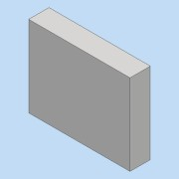 | Normal | Electric container foundation | Concrete | Area 99 | 2 |  |  |  | Building/Foundation
2 | 4003-634-A01 | - |  | 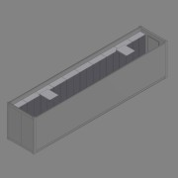 | Inseparable | Electric Container 40ft HC |  |  | 1 |  |  |  | Equipment
2.1 | 4003-634-D01 | - |  | 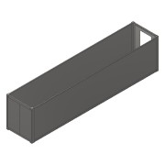 | Normal | Container 40ft HC | - | Electric Container | 1 |  |  |  | Equipment
2.2 | 0000-751-008 |  |  |  | Normal | Container door | - |  | 1 |  |  |  | Building-Construction
2.3 | 0000-751-011 |  |  | 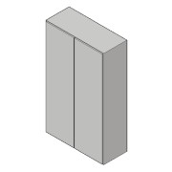 | Normal | Electric cabinet B=1200 | - |  | 10 |  |  |  | Building-Construction
2.4 | 0000-751-020 |  |  | 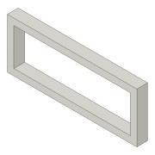 | Normal | Base for electric cabinet B=1200 | Steel, Galvanized |  | 10 |  |  |  | Building-Construction
2.5 | 0000-751-018 |  |  | 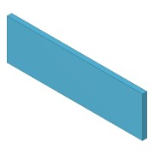 | Normal | Floor panel | Aluminum |  | 30 |  |  |  | Building-Construction
2.6 | 0000-751-016 |  |  | 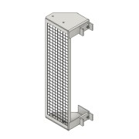 | Normal | Stepladder with channels | Aluminum |  | 1 |  |  |  | Building-Construction
2.7 | 0000-752-001 | - |  | 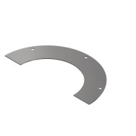 | Purchased | Rosette for Ø160 cable conduit | SS 1.4301 - AISI 304 |  | 40 |  |  |  | Basic Component
2.8 | 0000-305-002-160-1 | - |  | 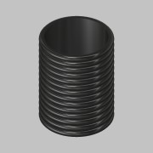 | Normal | Cable conduit Ø160 | PE |  | 20 |  |  |  | Basic Component
2.9 | 0000-305-003 | - |  | 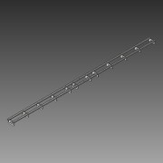 | Normal | Floor structure - 40ft | Steel | Electric Container | 2
2.10 | 0000-752-001 | - |  | 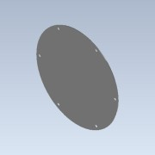 | Normal | Cover plate for Ø160 cable conduit | SS 1.4301 - AISI 304 |  | 20
2.11 | 0000-751-042 | - | 104S6 | 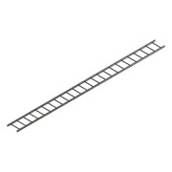 | Purchased | Cable ladder - 400x6m | Steel, Galvanized |  | 4 |  |  |  | Building-Construction
2.12 | 0000-751-017 |  |  | 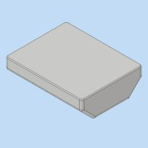 | Normal | Air conditioner | - |  | 2 |  |  |  | Building-Construction
2.13 | 4003-634-PS1 | - |  | 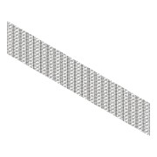 | Normal | Rat Grid for 40ft Container | Steel, Galv. | Area | 1 |  |  |  | Equipment
3 | 4003-99-BM008-01 | - |  |  | Normal | Pipe from Industry Tanks to Pump Container |  | Area 99 | 1 |  |  |  | Project Piping
3.1 | 0000-710-001 | - | SW4112071 |  | Normal | PE100 Pipe - DN-Ø75,0xSDR17 L=49921 | PE100 |  | 1 | 75,0 | 4,5 | 49921 | Project Piping
3.2 | 0000-710-010 |  |  | 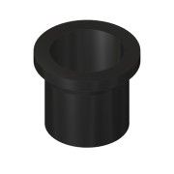 | Purchased | Stub end - DN65-Ø75 - SDR17 | PE100 |  | 3 |  |  |  | PE-Fittings - STAR
3.3 | 0000-710-020 |  |  | 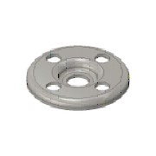 | Purchased | Flange - DN65/Ø75 - PN10/16 - DIN EN 1092-1 | PP |  | 3 |  |  |  | PE-Fittings - STAR
3.4 | 0000-710-040 |  | 42001071 | (NULL) | Purchased | PE Tee equal - Short spigot - DN65-Ø75-SDR17 | PE100 |  | 1 |  | 4,500 mm |  | PE-Fittings - STAR
3.5 | 0000-710-031 |  | 41903071 | 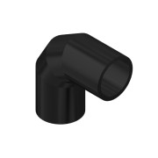 | Purchased | Elbow 90° Segmented - Ø75-DN65 - SDR17 | PE100 |  | 2 | 225,0 | 20 |  | PE-Fittings - STAR
3.6 | 0000-710-031 |  | 41403071 |  | Purchased | Elbow 45° Segmented - Ø75-DN65 - SDR17 | PE100 |  | 1 | 225,0 | 20 |  | PE-Fittings - STAR
4 | 4003-99-BM003-01 | - |  |  | Normal | Pipe from Mixing Tanks to Pump Container |  | Area 99 | 1 |  |  |  | Project Piping
4.1 | 0000-710-001 | - | SW4112121 |  | Normal | PE100 Pipe - DN-Ø125,0xSDR17 L=31294 | PE100 |  | 1 | 125,0 | 7,4 | 31294 | Project Piping
4.2 | 0000-710-010 |  |  |  | Purchased | Stub end - DN100-Ø125 - SDR17 | PE100 |  | 2 |  |  |  | PE-Fittings - STAR
4.3 | 0000-710-020 |  |  |  | Purchased | Flange - DN100/Ø125 - PN10/16 - DIN EN 1092-1 | PP |  | 2 |  |  |  | PE-Fittings - STAR
4.4 | 0000-710-031 |  | 41403121 |  | Purchased | Elbow 45° Segmented - Ø125-DN100 - SDR17 | PE100 |  | 5 | 225,0 | 20 |  | PE-Fittings - STAR
4.5 | 0000-710-031 |  | 41903121 |  | Purchased | Elbow 90° Segmented - Ø125-DN100 - SDR17 | PE100 |  | 2 | 225,0 | 20 |  | PE-Fittings - STAR
5 | 4003-99-BM004-01 | - |  |  | Normal | Pipe from Pump Container to Digesters |  | Area 99 | 1 |  |  |  | Project Piping
5.1 | 0000-710-001 | - | SW4112121 |  | Normal | PE100 Pipe - DN-Ø125,0xSDR17 L=84554 | PE100 |  | 1 | 125,0 | 7,4 | 84554 | Project Piping
5.2 | 0000-710-010 |  |  |  | Purchased | Stub end - DN100-Ø125 - SDR17 | PE100 |  | 3 |  |  |  | PE-Fittings - STAR
5.3 | 0000-710-020 |  |  |  | Purchased | Flange - DN100/Ø125 - PN10/16 - DIN EN 1092-1 | PP |  | 3 |  |  |  | PE-Fittings - STAR
5.4 | 0000-710-031 |  | 41903121 |  | Purchased | Elbow 90° Segmented - Ø125-DN100 - SDR17 | PE100 |  | 4 | 225,0 | 20 |  | PE-Fittings - STAR
5.5 | 4003-99-PS07-01 | - |  | 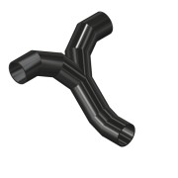 | Purchased | Offset Flow Tee 45° - Ø125xSDR17 - W=600 L=455 Z=300 | PE100 | Area 99 | 1 | 125 | 7 |  | Project Specific Parts
5.6 | 0000-720-032 |  |  | 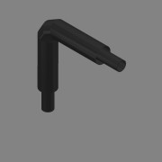 | Purchased | Elbow 90° Series 1 w. Tracers - Ø125-DN100 - SDR17 | PE100 |  | 2 | 125,0 | 7 |  | PE-Fittings - STAR
6 | 4003-99-BM007-01 | - |  |  | Normal | Piping DN250 - Loading Pipe |  | Area 99 | 1 |  |  |  | Project Piping
6.1 | 0000-720-001 | - |  |  | Normal | Insulated PE100 Pipe w.Tracer Serie 1 - Ø280,0/Ø400,0xSDR17 L=64995 | PE100 |  | 1 | 280,0 | 16,6 | 64995 | Project Piping
6.2 | 0000-710-010 |  |  |  | Purchased | Stub end - DN250-Ø280 - SDR17 | PE100 |  | 1 |  |  |  | PE-Fittings - STAR
6.3 | 0000-710-020 |  |  |  | Purchased | Flange - DN250/Ø280 - PN10 - DIN EN 1092-1 | PP |  | 1 |  |  |  | PE-Fittings - STAR
6.4 | 4003-99-PS02-01 | - |  | 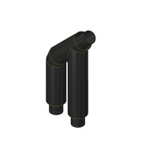 | Purchased | Elbow 45° w. Branch w. Tracers - Ø280-DN250 - SDR17 | PE100 | Area 02 | 1 | 280,0 | 16 |  | PE-Fittings - STAR
6.5 | 0000-720-032 |  |  | 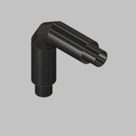 | Purchased | Elbow 90° Series 1 w. Tracers - Ø280-DN250 - SDR17 | PE100 |  | 1 | 280,0 | 16 |  | PE-Fittings - STAR
6.6 | 0000-720-032 |  |  | 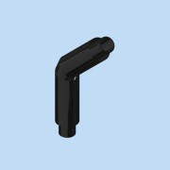 | Purchased | Elbow 45° Series 1 w. Tracers - Ø280-DN250 - SDR17 | PE100 |  | 1 | 280,0 | 16 |  | PE-Fittings - STAR
7 | 4003-99-BM005-01 | - |  |  | Normal | Pipe from Digesters to Pump Container |  | Area 99 | 1 |  |  |  | Project Piping
7.1 | 0000-710-001 | - | SW4112141 |  | Normal | PE100 Pipe - DN-Ø140,0xSDR17 L=83223 | PE100 |  | 1 | 140,0 | 8,3 | 83223 | Project Piping
7.2 | 0000-710-010 |  |  |  | Purchased | Stub end - DN125-Ø140 - SDR17 | PE100 |  | 3 |  |  |  | PE-Fittings - STAR
7.3 | 0000-710-020 |  |  |  | Purchased | Flange - DN125/Ø140 - PN10/16 - DIN EN 1092-1 | PP |  | 3 |  |  |  | PE-Fittings - STAR
7.4 | 0000-710-031 |  | 41903141 | 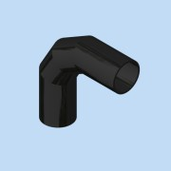 | Purchased | Elbow 90° Segmented - Ø140-DN125 - SDR17 | PE100 |  | 4 | 140,0 | 8 |  | PE-Fittings - STAR
7.5 | 0000-720-032 |  |  | 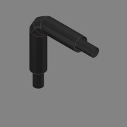 | Purchased | Elbow 90° Series 1 w. Tracers - Ø140-DN125 - SDR17 | PE100 |  | 2 | 140,0 | 8 |  | PE-Fittings - STAR
7.6 | 4003-99-PS09-01 | - |  | 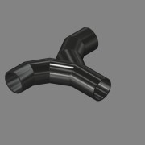 | Purchased | Flow Tee - Ø140xSDR17 - W=600 L=400 | PE100 | Area 99 | 1 | 140 | 8 |  | Project Specific Parts
7.7 | 0000-710-031 |  | 41403141 | 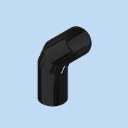 | Purchased | Elbow 45° Segmented - Ø140-DN125 - SDR17 | PE100 |  | 1 | 140,0 | 8 |  | PE-Fittings - STAR
8 | 4003-99-BM015-01 | - |  |  | Normal | Pipe from Storage Tank to Receiving Hall |  | Area 99 | 1 |  |  |  | Project Piping
8.1 | 0000-710-001 | - | SW4112281 |  | Normal | PE100 Pipe - DN-Ø280,0xSDR17 L=134247 | PE100 |  | 1 | 280,0 | 16,6 | 134247 | Project Piping
8.2 | 4003-99-PS02-01 | - |  |  | Purchased | Elbow 45° w. Branch w. Tracers - Ø280-DN250 - SDR17 | PE100 | Area 02 | 1 | 280,0 | 16 |  | PE-Fittings - STAR
8.3 | 0000-710-010 |  |  |  | Purchased | Stub end - DN250-Ø280 - SDR17 | PE100 |  | 2 |  |  |  | PE-Fittings - STAR
8.4 | 0000-710-020 |  |  |  | Purchased | Flange - DN250/Ø280 - PN10 - DIN EN 1092-1 | PP |  | 2 |  |  |  | PE-Fittings - STAR
8.5 | 0000-710-031 |  | 41903281 |  | Purchased | Elbow 90° Segmented - Ø280-DN250 - SDR17 | PE100 |  | 2 | 225,0 | 20 |  | PE-Fittings - STAR
8.6 | 0000-710-031 |  | 41403281 |  | Purchased | Elbow 45° Segmented - Ø280-DN250 - SDR17 | PE100 |  | 3 | 225,0 | 20 |  | PE-Fittings - STAR
8.7 | 4003-99-PS08-01 | - |  | 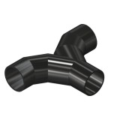 | Purchased | Flow Tee - Ø280xSDR17 - W=1000 L=600 | PE100 | Area 99 | 1 | 280 | 16 |  | Project Specific Parts
9 | 4003-99-PA001-01 | - |  |  | Normal | Pressurised Air Pipe |  | Area 99 | 1 |  |  |  | Project Piping
9.1 | 0000-710-001 | - | SW3191022 |  | Normal | PE100 Pipe - DN-Ø25,0xSDR11 L=340510 | PE100 |  | 1 | 25,0 | 2,3 | 340510 | Project Piping
10 | 4003-99-CD001-01 | - |  |  | Normal | Cable Ducts |  | Area 99 | 1 |  |  |  | Project Piping
10.1 | 0000-717-201 | - | 8241162 | 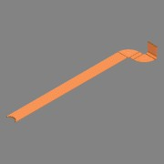 | Normal | Cable Ducts - DVR160,0x12,5 L=378876 | PE100 | 10x | 1 | 160,0 | 12,5 | 275573 | Project Piping
10.2 | 0000-717-201 | - | 8241162 | 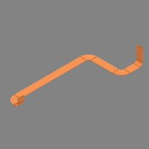 | Normal | Cable Ducts - DVR160,0x12,5 L=68285 | PE100 | 4x | 1 | 160,0 | 12,5 | 68285 | Project Piping
10.3 | 0000-717-201 | - | 8241162 | 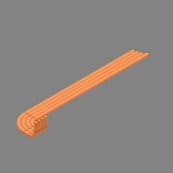 | Normal | Cable Ducts - DVR160,0x12,5 L=34239 | PE100 | 4x | 1 | 160,0 | 12,5 | 34239 | Project Piping
10.4 | 0000-717-201 | - | 8241162 |  | Normal | Cable Ducts - DVR160,0x12,5 L=105553 | PE100 | 3x | 1 | 160,0 | 12,5 | 105553 | Project Piping
10.5 | 0000-717-201 | - | 8241162 | 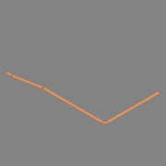 | Normal | Cable Ducts - DVR160,0x12,5 L=59601 | PE100 | 2x | 1 | 160,0 | 12,5 | 59601 | Project Piping
10.6 | 4003-99-CD001-01-06 | - | 8241162 | 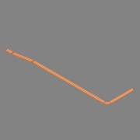 | Normal | Cable Ducts - DVR160,0x12,5 L=41059 | PE100 | 2x | 1 | 160,0 | 12,5 | 41059 | Project Piping
10.7 | 4003-99-CD001-01-07 | - | 8241162 |  | Normal | Cable Ducts - DVR160,0x12,5 L=93575 | PE100 | 3x | 1 | 160,0 | 12,5 | 93575 | Project Piping
10.8 | 4003-99-CD001-01-08 | - | 8241162 | 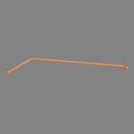 | Normal | Cable Ducts - DVR160,0x12,5 L=56300 | PE100 | 2x | 1 | 160,0 | 12,5 | 56300 | Project Piping
10.9 | 4003-99-CD001-01-09 | - | 8241162 | 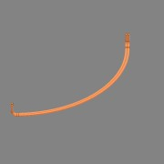 | Normal | Cable Ducts - DVR160,0x12,5 L=31963 | PE100 | 2x | 1 | 160,0 | 12,5 | 31963 | Project Piping
10.10 | 4003-99-CD001-01-10 | - | 8241162 | 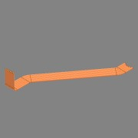 | Normal | Cable Ducts - DVR160,0x12,5 L=77164 | PE100 | 6x | 1 | 160,0 | 12,5 | 77164 | Project Piping
10.11 | 4003-99-CD001-01-11 | - | 8241162 | 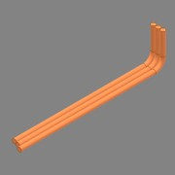 | Normal | Cable Ducts - DVR160,0x12,5 L=18859 | PE100 | 3x | 1 | 160,0 | 12,5 | 18859 | Project Piping
10.12 | 4003-99-CD001-01-12 | - | 8241162 |  | Normal | Cable Ducts - DVR160,0x12,5 L=82750 | PE100 | 3x | 1 | 160,0 | 12,5 | 82750 | Project Piping
10.13 | 4003-99-CD001-01-13 | - | 8241162 |  | Normal | Cable Ducts - DVR160,0x12,5 L=310561 | PE100 | 10x | 1 | 160,0 | 12,5 | 310561 | Project Piping
10.14 | 4003-99-CD001-01-14 | - | 8241162 | 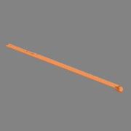 | Normal | Cable Ducts - DVR160,0x12,5 L=163728 | PE100 | 6x | 1 | 160,0 | 12,5 | 163728 | Project Piping
10.15 | 4003-99-CD001-01-15 | - | 8241162 | 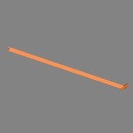 | Normal | Cable Ducts - DVR160,0x12,5 L=153065 | PE100 | 6x | 1 | 160,0 | 12,5 | 153065 | Project Piping
10.16 | 4003-99-CD001-01-16 | - | 8241162 |  | Normal | Cable Ducts - DVR160,0x12,5 L=35733 | PE100 | 2x | 1 | 160,0 | 12,5 | 35733 | Project Piping
10.17 | 4003-99-CD001-01-17 | - | 8241162 | 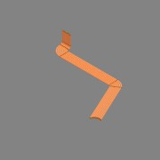 | Normal | Cable Ducts - DVR160,0x12,5 L=167719 | PE100 | 8x | 1 | 160,0 | 12,5 | 167719 | Project Piping
10.18 | 4003-99-CD001-01-18 | - | 8241162 | 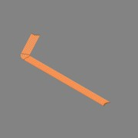 | Normal | Cable Ducts - DVR160,0x12,5 L=198179 | PE100 | 8x | 1 | 160,0 | 12,5 | 198179 | Project Piping
10.19 | 4003-99-CD001-01-19 | - | 8241162 | 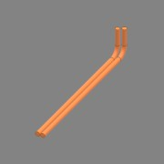 | Normal | Cable Ducts - DVR160,0x12,5 L=11851 | PE100 | 2x | 1 | 160,0 | 12,5 | 11851 | Project Piping
10.20 | 4003-99-CD001-01-20 | - | 8241162 | 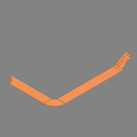 | Normal | Cable Ducts - DVR160,0x12,5 L=45175 | PE100 | 4x | 1 | 160,0 | 12,5 | 45175 | Project Piping
10.21 | 4003-99-CD001-01-21 | - | 8241162 |  | Normal | Cable Ducts - DVR160,0x12,5 L=178752 | PE100 | 6x | 1 | 160,0 | 12,5 | 178752 | Project Piping
10.22 | 4003-99-CD001-01-22 | - | 8241162 | 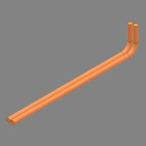 | Normal | Cable Ducts - DVR160,0x12,5 L=12272 | PE100 | 2x | 1 | 160,0 | 12,5 | 12272 | Project Piping
10.23 | 4003-99-CD001-01-23 | - | 8241162 | 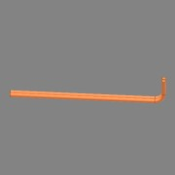 | Normal | Cable Ducts - DVR160,0x12,5 L=13601 | PE100 | 2x | 1 | 160,0 | 12,5 | 13601 | Project Piping
10.24 | 4003-99-CD001-01-24 | - | 8241162 |  | Normal | Cable Ducts - DVR160,0x12,5 L=46442 | PE100 | 2x | 1 | 160,0 | 12,5 | 46442 | Project Piping
10.25 | 4003-99-CD001-01-25 | - | 8241162 |  | Normal | Cable Ducts - DVR160,0x12,5 L=67428 | PE100 | 2x | 1 | 160,0 | 12,5 | 67428 | Project Piping
10.26 | 0000-717-201 | - | 8200437 |  | Normal | Cable Ducts - DVR110,0x8,0 L=26296 | PE100 | 2x | 1 | 110,0 | 8,0 | 26296 | Project Piping
10.27 | 4003-99-CD001-01-27 | - | 8241162 |  | Normal | Cable Ducts - DVR160,0x12,5 L=71866 | PE100 | 4x | 1 | 160,0 | 12,5 | 71866 | Project Piping
10.28 | 4003-99-CD001-01-28 | - | 8241162 |  | Normal | Cable Ducts - DVR160,0x12,5 L=37578 | PE100 | 2x | 1 | 160,0 | 12,5 | 37578 | Project Piping
10.29 | 4003-99-CD001-01-29 | - | 8241162 |  | Normal | Cable Ducts - DVR160,0x12,5 L=42954 | PE100 | 2x | 1 | 160,0 | 12,5 | 42954 | Project Piping
10.30 | 4003-99-CD001-01-30 | - | 8241162 |  | Normal | Cable Ducts - DVR160,0x12,5 L=45169 | PE100 | 2x | 1 | 160,0 | 12,5 | 45169 | Project Piping
10.31 | 4003-99-CD001-01-31 | - | 8241162 |  | Normal | Cable Ducts - DVR160,0x12,5 L=65129 | PE100 | 2x | 1 | 160,0 | 12,5 | 65129 | Project Piping
10.32 | 4003-99-CD001-01-32 | - | 8241162 |  | Normal | Cable Ducts - DVR160,0x12,5 L=27385 | PE100 | 2x | 1 | 160,0 | 12,5 | 27385 | Project Piping
11 | 4003-99-BM002-01 | - |  |  | Normal | Pipe From Receiving tank To Mixing tank |  | Area 99 | 1 |  |  |  | Project Piping
11.1 | 0000-710-001 | - | SW4112181 |  | Normal | PE100 Pipe - DN-Ø180,0xSDR17 L=42423 | PE100 |  | 1 | 180,0 | 10,7 | 42423 | Project Piping
11.2 | 0000-710-010 |  |  |  | Purchased | Stub end - DN150-Ø180 - SDR17 | PE100 |  | 1 |  |  |  | PE-Fittings - STAR
11.3 | 0000-710-020 |  |  |  | Purchased | Flange - DN150/Ø180 - PN10/16 - DIN EN 1092-1 | PP |  | 1 |  |  |  | PE-Fittings - STAR
11.4 | 0000-710-031 |  | 41403181 |  | Purchased | Elbow 45° Segmented - Ø180-DN150 - SDR17 | PE100 |  | 5 | 225,0 | 20 |  | PE-Fittings - STAR
11.5 | 0000-710-031 |  | 41903181 |  | Purchased | Elbow 90° Segmented - Ø180-DN150 - SDR17 | PE100 |  | 1 | 225,0 | 20 |  | PE-Fittings - STAR
12 | 4003-99-BM005-02 | - |  |  | Normal | Pipe from Pasteurisation 1 to Storage tanks |  | Area 99 | 1 |  |  |  | Project Piping
12.1 | 0000-710-001 | - | SW4112121 |  | Normal | PE100 Pipe - DN-Ø125,0xSDR17 L=124039 | PE100 |  | 1 | 125,0 | 7,4 | 124039 | Project Piping
12.2 | 0000-710-010 |  |  |  | Purchased | Stub end - DN100-Ø125 - SDR17 | PE100 |  | 3 |  |  |  | PE-Fittings - STAR
12.3 | 0000-710-020 |  |  |  | Purchased | Flange - DN100/Ø125 - PN10/16 - DIN EN 1092-1 | PP |  | 3 |  |  |  | PE-Fittings - STAR
12.4 | 0000-710-031 |  | 41903121 |  | Purchased | Elbow 90° Segmented - Ø125-DN100 - SDR17 | PE100 |  | 4 | 225,0 | 20 |  | PE-Fittings - STAR
12.5 | 4003-99-PS07-01 | - |  |  | Purchased | Offset Flow Tee 45° - Ø125xSDR17 - W=600 L=455 Z=300 | PE100 | Area 99 | 1 | 125 | 7 |  | Project Specific Parts
13 | 4003-99-BM006-01 | - |  |  | Normal | Pipe from Storage tanks to Client |  | Area | 1 |  |  |  | Project Piping
13.1 | 0000-710-001 | - | SW4112121 |  | Normal | PE100 Pipe - DN-Ø125,0xSDR17 L=57714 | PE100 |  | 1 | 125,0 | 7,4 | 57714 | Project Piping
13.2 | 0000-710-010 |  |  |  | Purchased | Stub end - DN100-Ø125 - SDR17 | PE100 |  | 2 |  |  |  | PE-Fittings - STAR
13.3 | 0000-710-020 |  |  |  | Purchased | Flange - DN100/Ø125 - PN10/16 - DIN EN 1092-1 | PP |  | 2 |  |  |  | PE-Fittings - STAR
13.4 | 0000-710-031 |  | 41903121 |  | Purchased | Elbow 90° Segmented - Ø125-DN100 - SDR17 | PE100 |  | 2 | 225,0 | 20 |  | PE-Fittings - STAR
13.5 | 4003-99-PS10-01 | - |  | 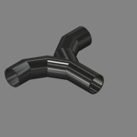 | Purchased | Flow Tee - Ø125xSDR17 - W=600 L=400 | PE100 | Area 99 | 1 | 125 | 7 |  | Project Specific Parts
14 | 4003-99-BG002-01 | - |  | 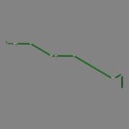 | Normal | Pipe form Digester 1,2 & 3 to Gas-System |  | Area 99 | 1 |  |  |  | Project Piping
14.1 | 0000-703-001 | - | RO-406-030 |  | Normal | Pipe - DN-Ø406,4x3,0 L=32456 - EN10217-7 | SS 1.4571 - AISI 316Ti |  | 1 | 406,4 | 3,0 | 32456 | Project Piping
14.2 | 0000-703-001 | - | RO-273-030 |  | Normal | Pipe - DN-Ø273,0x3,0 L=1715 - EN10217-7 | SS 1.4571 - AISI 316Ti |  | 1 | 273,0 | 3,0 | 1715 | Project Piping
14.3 | 0000-703-010 |  | BÖ-273-030 | 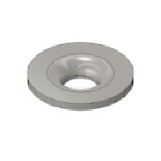 | Purchased | Collar - DN250/PN10-EN1092-1 Typ37 | SS 1.4571 - AISI 316Ti |  | 1 |  |  |  | Standard Fittings
14.4 | 0000-703-020 |  |  |  | Purchased | Pressed Flange - DN250-PN10 - EN 1092-1 Typ 02 | SS 1.4301 - AISI 304 |  | 1 |  |  |  | Standard Fittings
14.5 | 0000-703-010 |  | BÖ-406-030 |  | Purchased | Collar - DN400/PN10-EN1092-1 Typ37 | SS 1.4571 - AISI 316Ti |  | 1 |  |  |  | Standard Fittings
14.6 | 0000-703-020 |  |  |  | Purchased | Pressed Flange - DN400-PN10 - EN 1092-1 Typ 02 | SS 1.4301 - AISI 304 |  | 1 |  |  |  | Standard Fittings
14.7 | 0000-703-052 |  |  | 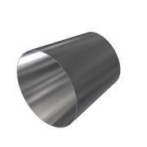 | Purchased | Reducer - DN400-DN250 - EN 10253-3 | SS 1.4571 - AISI 316Ti |  | 2 |  |  |  | Standard Fittings
14.8 | 0000-703-045 |  |  | (NULL) | Purchased | Tee, Welded Branch - DN400-Ø406,4 - EN10253-3 | SS 1.4571 - AISI 316Ti |  | 2 |  |  |  | Standard Fittings
14.9 | 0000-703-052 |  |  | 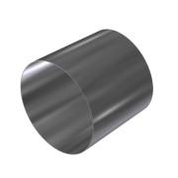 | Purchased | Reducer - DN400-DN350 - EN 10253-3 | SS 1.4571 - AISI 316Ti |  | 1 |  |  |  | Standard Fittings
14.10 | 0000-703-030 |  | 45-406-030 |  | Purchased | Elbow 45° - DN400 Ø406,4x3 - Type3-R610 - DIN2605 | SS 1.4571 - AISI 316Ti |  | 3 |  |  |  | Standard Fittings
14.11 | 0000-703-030 |  | BO-406-030 | 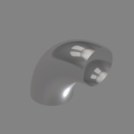 | Purchased | Elbow 90° - DN400 Ø406,4x3 - Type3-R610 - DIN2605 | SS 1.4571 - AISI 316Ti |  | 2 |  |  |  | Standard Fittings
14.12 | 0000-703-030 |  | BO-273-030 |  | Purchased | Elbow 90° - DN250 Ø273x3 - Type3-R381 - DIN2605 | SS 1.4571 - AISI 316Ti |  | 1 |  |  |  | Standard Fittings
15 | 4003-99-BG005-01 | - |  |  | Normal | Pipe from Gas Storage 1 to Gas-System |  | Area | 1 |  |  |  | Project Piping
15.1 | 0000-703-020 |  |  |  | Purchased | Pressed Flange - DN350-PN10 - EN 1092-1 Typ 02 | SS 1.4301 - AISI 304 |  | 2 |  |  |  | Standard Fittings
15.2 | 0000-703-010 |  | BÖ-355-030 |  | Purchased | Collar - DN350/PN10-EN1092-1 Typ37 | SS 1.4571 - AISI 316Ti |  | 2 |  |  |  | Standard Fittings
15.3 | 0000-703-001 | - | RO-406-030 |  | Normal | Pipe - DN-Ø406,4x3,0 L=12311 - EN10217-7 | SS 1.4571 - AISI 316Ti |  | 1 | 406,4 | 3,0 | 12311 | Project Piping
15.4 | 0000-703-001 | - | RO-355-030 |  | Normal | Pipe - DN-Ø355,6x3,0 L=47260 - EN10217-7 | SS 1.4571 - AISI 316Ti |  | 1 | 355,6 | 3,0 | 47260 | Project Piping
15.5 | 0000-703-010 |  | BÖ-406-030 |  | Purchased | Collar - DN400/PN10-EN1092-1 Typ37 | SS 1.4571 - AISI 316Ti |  | 1 |  |  |  | Standard Fittings
15.6 | 0000-703-020 |  |  |  | Purchased | Pressed Flange - DN400-PN10 - EN 1092-1 Typ 02 | SS 1.4301 - AISI 304 |  | 1 |  |  |  | Standard Fittings
15.7 | 0000-703-045 |  |  | (NULL) | Purchased | Tee, Welded Branch - DN400-Ø406,4 - EN10253-3 | SS 1.4571 - AISI 316Ti |  | 1 |  |  |  | Standard Fittings
15.8 | 0000-703-052 |  |  |  | Purchased | Reducer - DN400-DN350 - EN 10253-3 | SS 1.4571 - AISI 316Ti |  | 2 |  |  |  | Standard Fittings
15.9 | 0000-703-030 |  | BO-406-030 |  | Purchased | Elbow 90° - DN400 Ø406,4x3 - Type3-R610 - DIN2605 | SS 1.4571 - AISI 316Ti |  | 1 |  |  |  | Standard Fittings
15.10 | 0000-703-030 |  | 45-355-030 |  | Purchased | Elbow 45° - DN350 Ø355,6x3 - Type3-R534 - DIN2605 | SS 1.4571 - AISI 316Ti |  | 2 |  |  |  | Standard Fittings
16 | 4003-99-BG008-01 | - |  |  | Normal | Pipe from Digester 2 to Gas-System |  | Area 99 | 1 |  |  |  | Project Piping
16.1 | 0000-703-010 |  | BÖ-273-030 |  | Purchased | Collar - DN250/PN10-EN1092-1 Typ37 | SS 1.4571 - AISI 316Ti |  | 1 |  |  |  | Standard Fittings
16.2 | 0000-703-020 |  |  |  | Purchased | Pressed Flange - DN250-PN10 - EN 1092-1 Typ 02 | SS 1.4301 - AISI 304 |  | 1 |  |  |  | Standard Fittings
16.3 | 4003-99-BG008-01-01 | - | RO-273-030 |  | Normal | Pipe - DN-Ø273,0x3,0 L=3004 - EN10217-7 | SS 1.4571 - AISI 316Ti |  | 1 | 273,0 | 3,0 | 3004 | Project Piping
16.4 | 0000-703-030 |  | BO-273-030 |  | Purchased | Elbow 90° - DN250 Ø273x3 - Type3-R381 - DIN2605 | SS 1.4571 - AISI 316Ti |  | 1 |  |  |  | Standard Fittings
17 | 4003-99-BG001-01 | - |  |  | Normal | Pipe from Pasteurisation 1 to Digester 1 |  | Area | 1 |  |  |  | Project Piping
17.1 | 0000-703-001 | - | RO-114-020 |  | Normal | Pipe - DN-Ø114,3x2,0 L=16939 - EN10217-7 | SS 1.4571 - AISI 316Ti |  | 1 | 114,3 | 2,0 | 16939 | Project Piping
17.2 | 0000-703-010 |  | BÖ-114-020 |  | Purchased | Collar - DN100/PN10-EN1092-1 Typ37 | SS 1.4571 - AISI 316Ti |  | 2 |  |  |  | Standard Fittings
17.3 | 0000-703-020 |  |  |  | Purchased | Pressed Flange - DN100-PN10/16 - EN 1092-1 Typ 02 | SS 1.4301 - AISI 304 |  | 2 |  |  |  | Standard Fittings
17.4 | 0000-703-030 |  | BO-114-020 |  | Purchased | Elbow 90° - DN100 Ø114,3x2 - Type3-R152 - DIN2605 | SS 1.4571 - AISI 316Ti |  | 1 |  |  |  | Standard Fittings
17.5 | 0000-703-040 |  | TR-114-020 |  | Purchased | Tee Equal - DN100 - Ø114,3x2 - EN10253-4 | SS 1.4571 - AISI 316Ti |  | 1 |  |  |  | Standard Fittings
18 | 4003-99-BM012-01 | - |  |  | Normal | Pipe from Pump Container to Digesters |  | Area 99 | 1 |  |  |  | Project Piping
18.1 | 0000-710-010 |  |  |  | Purchased | Stub end - DN100-Ø125 - SDR17 | PE100 |  | 3 |  |  |  | PE-Fittings - STAR
18.2 | 0000-710-020 |  |  |  | Purchased | Flange - DN100/Ø125 - PN10/16 - DIN EN 1092-1 | PP |  | 3 |  |  |  | PE-Fittings - STAR
18.3 | 0000-710-001 | - | SW4112121 |  | Normal | PE100 Pipe - DN-Ø125,0xSDR17 L=79255 | PE100 |  | 1 | 125,0 | 7,4 | 79255 | Project Piping
18.4 | 0000-710-031 |  | 41903121 |  | Purchased | Elbow 90° Segmented - Ø125-DN100 - SDR17 | PE100 |  | 4 | 225,0 | 20 |  | PE-Fittings - STAR
18.5 | 0000-720-032 |  |  |  | Purchased | Elbow 90° Series 1 w. Tracers - Ø125-DN100 - SDR17 | PE100 |  | 2 | 125,0 | 7 |  | PE-Fittings - STAR
18.6 | 4003-99-PS10-01 | - |  |  | Purchased | Flow Tee - Ø125xSDR17 - W=600 L=400 | PE100 | Area 99 | 1 | 125 | 7 |  | Project Specific Parts
18.7 | 0000-710-031 |  | 41403121 |  | Purchased | Elbow 45° Segmented - Ø125-DN100 - SDR17 | PE100 |  | 1 | 225,0 | 20 |  | PE-Fittings - STAR
19 | 4003-99-BM020-01 | - |  |  | Normal | Pipe from Digesters to Pump Container |  | Area 99 | 1 |  |  |  | Project Piping
19.1 | 0000-710-010 |  |  |  | Purchased | Stub end - DN125-Ø140 - SDR17 | PE100 |  | 3 |  |  |  | PE-Fittings - STAR
19.2 | 0000-710-020 |  |  |  | Purchased | Flange - DN125/Ø140 - PN10/16 - DIN EN 1092-1 | PP |  | 3 |  |  |  | PE-Fittings - STAR
19.3 | 0000-710-001 | - | SW4112141 |  | Normal | PE100 Pipe - DN125-Ø140,0xSDR17 L=79533 | PE100 |  | 1 | 140,0 | 8,3 | 79533 | Project Piping
19.4 | 0000-710-031 |  | 41903141 |  | Purchased | Elbow 90° Segmented - Ø140-DN125 - SDR17 | PE100 |  | 4 | 140,0 | 8 |  | PE-Fittings - STAR
19.5 | 0000-720-032 |  |  |  | Purchased | Elbow 90° Series 1 w. Tracers - Ø140-DN125 - SDR17 | PE100 |  | 2 | 140,0 | 8 |  | PE-Fittings - STAR
19.6 | 4003-99-PS09-01 | - |  |  | Purchased | Flow Tee - Ø140xSDR17 - W=600 L=400 | PE100 | Area 99 | 1 | 140 | 8 |  | Project Specific Parts
19.7 | 0000-710-031 |  | 41403141 |  | Purchased | Elbow 45° Segmented - Ø140-DN125 - SDR17 | PE100 |  | 1 | 140,0 | 8 |  | PE-Fittings - STAR
20 | 4003-99-BG010-01 | - |  |  | Normal | Pipe from Digester 3 to Gas-System |  | Area | 1 |  |  |  | Project Piping
20.1 | 0000-703-020 |  |  |  | Purchased | Pressed Flange - DN350-PN10 - EN 1092-1 Typ 02 | SS 1.4301 - AISI 304 |  | 1 |  |  |  | Standard Fittings
20.2 | 0000-703-010 |  | BÖ-355-030 |  | Purchased | Collar - DN350/PN10-EN1092-1 Typ37 | SS 1.4571 - AISI 316Ti |  | 1 |  |  |  | Standard Fittings
20.3 | 0000-703-001 | - | RO-355-030 |  | Normal | Pipe - DN-Ø355,6x3,0 L=40024 - EN10217-7 | SS 1.4571 - AISI 316Ti |  | 1 | 355,6 | 3,0 | 40024 | Project Piping
20.4 | 0000-703-045 |  |  | (NULL) | Purchased | Tee, Welded Branch - DN350-Ø355,6 - EN10253-3 | SS 1.4571 - AISI 316Ti |  | 1 |  |  |  | Standard Fittings
20.5 | 0000-703-052 |  |  |  | Purchased | Reducer - DN350-DN250 - EN 10253-3 | SS 1.4571 - AISI 316Ti |  | 1 |  |  |  | Standard Fittings
20.6 | 0000-703-010 |  | BÖ-273-030 |  | Purchased | Collar - DN250/PN10-EN1092-1 Typ37 | SS 1.4571 - AISI 316Ti |  | 1 |  |  |  | Standard Fittings
20.7 | 0000-703-020 |  |  |  | Purchased | Pressed Flange - DN250-PN10 - EN 1092-1 Typ 02 | SS 1.4301 - AISI 304 |  | 1 |  |  |  | Standard Fittings
20.8 | 0000-703-022 |  | BF-250-010 | (NULL) | Purchased | Blind Flange - DN250 - PN10 - EN 1092-1 Typ 05 | SS 1.4571 - AISI 316Ti |  | 1 |  |  |  | Standard Fittings
20.9 | 0000-703-030 |  |  |  | Purchased | Elbow 90° - DN350 Ø355,6x4 - Type3-R534 - DIN2605 | SS 1.4571 - AISI 316Ti |  | 1 |  |  |  | Standard Fittings
20.10 | 0000-703-030 |  | 45-355-030 |  | Purchased | Elbow 45° - DN350 Ø355,6x3 - Type3-R534 - DIN2605 | SS 1.4571 - AISI 316Ti |  | 2 |  |  |  | Standard Fittings
21 | 4003-99-BM018-01 | - |  |  | Normal | Pipe from Pasteurisation 2 to Storage tanks |  | Area 99 | 1 |  |  |  | Project Piping
21.1 | 0000-710-010 |  |  |  | Purchased | Stub end - DN100-Ø125 - SDR17 | PE100 |  | 3 |  |  |  | PE-Fittings - STAR
21.2 | 0000-710-020 |  |  |  | Purchased | Flange - DN100/Ø125 - PN10/16 - DIN EN 1092-1 | PP |  | 3 |  |  |  | PE-Fittings - STAR
21.3 | 0000-710-001 | - | SW4112121 |  | Normal | PE100 Pipe - DN-Ø125,0xSDR17 L=120531 | PE100 |  | 1 | 125,0 | 7,4 | 120531 | Project Piping
21.4 | 0000-710-031 |  | 41903121 |  | Purchased | Elbow 90° Segmented - Ø125-DN100 - SDR17 | PE100 |  | 4 | 225,0 | 20 |  | PE-Fittings - STAR
21.5 | 0000-710-040 |  | 42001121 | (NULL) | Purchased | PE Tee equal - Short spigot - DN100-Ø125-SDR17 | PE100 |  | 1 |  | 7,400 mm |  | PE-Fittings - STAR
21.6 | 0000-710-031 |  | 41403121 |  | Purchased | Elbow 45° Segmented - Ø125-DN100 - SDR17 | PE100 |  | 2 | 225,0 | 20 |  | PE-Fittings - STAR
21.7 | 4003-99-PS07-01 | - |  |  | Purchased | Offset Flow Tee 45° - Ø125xSDR17 - W=600 L=455 Z=300 | PE100 | Area 99 | 1 | 125 | 7 |  | Project Specific Parts
22 | 4003-99-BM017-01 | - |  |  | Normal | Pipe From Receiving tank To Mixing tank |  | Area 99 | 1 |  |  |  | Project Piping
22.1 | 0000-710-010 |  |  |  | Purchased | Stub end - DN150-Ø180 - SDR17 | PE100 |  | 1 |  |  |  | PE-Fittings - STAR
22.2 | 0000-710-020 |  |  |  | Purchased | Flange - DN150/Ø180 - PN10/16 - DIN EN 1092-1 | PP |  | 1 |  |  |  | PE-Fittings - STAR
22.3 | 0000-710-031 |  | 41403181 |  | Purchased | Elbow 45° Segmented - Ø180-DN150 - SDR17 | PE100 |  | 6 | 225,0 | 20 |  | PE-Fittings - STAR
22.4 | 0000-710-031 |  | 41903181 |  | Purchased | Elbow 90° Segmented - Ø180-DN150 - SDR17 | PE100 |  | 1 | 225,0 | 20 |  | PE-Fittings - STAR
22.5 | 0000-710-001 | - | SW4112181 |  | Normal | PE100 Pipe - DN-Ø180,0xSDR17 L=66466 | PE100 |  | 1 | 180,0 | 10,7 | 66466 | Project Piping
23 | 4003-99-BM017-02 | - |  |  | Normal | Pipe From Receiving tank To Mixing tank |  | Area 99 | 1 |  |  |  | Project Piping
23.1 | 0000-710-010 |  |  |  | Purchased | Stub end - DN150-Ø180 - SDR17 | PE100 |  | 2 |  |  |  | PE-Fittings - STAR
23.2 | 0000-710-020 |  |  |  | Purchased | Flange - DN150/Ø180 - PN10/16 - DIN EN 1092-1 | PP |  | 2 |  |  |  | PE-Fittings - STAR
23.3 | 0000-710-031 |  | 41903181 |  | Purchased | Elbow 90° Segmented - Ø180-DN150 - SDR17 | PE100 |  | 2 | 225,0 | 20 |  | PE-Fittings - STAR
23.4 | 0000-710-001 | - | SW4112181 |  | Normal | PE100 Pipe - DN-Ø180,0xSDR17 L=19274 | PE100 |  | 1 | 180,0 | 10,7 | 19274 | Project Piping
24 | 4003-99-BM019-01 | - |  |  | Normal | Pipe from Mixing Tanks to Pump Container |  | Area 99 | 1 |  |  |  | Project Piping
24.1 | 0000-710-010 |  |  |  | Purchased | Stub end - DN100-Ø125 - SDR17 | PE100 |  | 2 |  |  |  | PE-Fittings - STAR
24.2 | 0000-710-020 |  |  |  | Purchased | Flange - DN100/Ø125 - PN10/16 - DIN EN 1092-1 | PP |  | 2 |  |  |  | PE-Fittings - STAR
24.3 | 0000-710-031 |  | 41403121 |  | Purchased | Elbow 45° Segmented - Ø125-DN100 - SDR17 | PE100 |  | 2 | 225,0 | 20 |  | PE-Fittings - STAR
24.4 | 0000-710-031 |  | 41903121 |  | Purchased | Elbow 90° Segmented - Ø125-DN100 - SDR17 | PE100 |  | 2 | 225,0 | 20 |  | PE-Fittings - STAR
24.5 | 0000-710-001 | - | SW4112121 |  | Normal | PE100 Pipe - DN-Ø125,0xSDR17 L=67979 | PE100 |  | 1 | 125,0 | 7,4 | 67979 | Project Piping
25 | 4003-99-BG007-01 | - |  |  | Normal | Pipe from Gas Desulphurisation to Flares |  | Area 99 | 1 |  |  |  | Project Piping
25.1 | 0000-710-002 | - | OR3312352 |  | Normal | PE100 Pipe - EN1555 - DN-Ø355,0xSDR11 L=35217 | PE100 |  | 1 | 355,0 | 32,2 | 35217 | Project Piping
25.2 | 0000-710-031 | - | 41903352 |  | Purchased | Elbow 90° Segmented - Ø355-DN350 - SDR11 | PE100 |  | 2 | 355,0 | 32 |  | PE-Fittings - STAR
25.3 | 0000-710-010 |  |  |  | Purchased | Stub end - DN350-Ø355 - SDR11 | PE100 |  | 2 |  |  |  | PE-Fittings - STAR
25.4 | 0000-710-020 |  |  |  | Purchased | Flange - DN350/Ø355 - PN10 - DIN EN 1092-1 | PP |  | 2 |  |  |  | PE-Fittings - STAR
25.5 | 0000-355-001 | - |  |  | Normal | Condensate Pot - Ø180_Ø63-SDR11 | PE |  | 1 |  |  |  | Basic Component
26 | 4003-99-BG003-01 | - |  |  | Normal | Pipe from Pasteurisation 2 to Digester 1 |  | Area | 1 |  |  |  | Project Piping
26.1 | 0000-703-010 |  | BÖ-114-020 |  | Purchased | Collar - DN100/PN10-EN1092-1 Typ37 | SS 1.4571 - AISI 316Ti |  | 1 |  |  |  | Standard Fittings
26.2 | 0000-703-020 |  |  |  | Purchased | Pressed Flange - DN100-PN10/16 - EN 1092-1 Typ 02 | SS 1.4301 - AISI 304 |  | 1 |  |  |  | Standard Fittings
26.3 | 0000-703-030 |  | BO-114-020 |  | Purchased | Elbow 90° - DN100 Ø114,3x2 - Type3-R152 - DIN2605 | SS 1.4571 - AISI 316Ti |  | 1 |  |  |  | Standard Fittings
26.4 | 4003-99-BG003-01-01 | - | RO-114-020 |  | Normal | Pipe - DN-Ø114,3x2,0 L=24918 - EN10217-7 | SS 1.4571 - AISI 316Ti |  | 1 | 114,3 | 2,0 | 24918 | Project Piping
27 | 4003-99-CS001-01 | - |  |  | Normal | Pipes from and to Condesate Well |  | Area | 1 |  |  |  | Project Piping
27.1 | 0000-710-002 | - | OR3312061 |  | Normal | PE100 Pipe - EN1555 - DN-Ø63,0xSDR17 L=19310 | PE100 |  | 1 | 63,0 | 3,8 | 19310 | Project Piping
27.2 | 0000-710-002 | - | OR3312061 |  | Normal | PE100 Pipe - EN1555 - DN-Ø63,0xSDR17 L=18688 | PE100 |  | 1 | 63,0 | 3,8 | 18688 | Project Piping
27.3 | 0000-710-002 | - | OR3312061 |  | Normal | PE100 Pipe - EN1555 - DN-Ø63,0xSDR17 L=18557 | PE100 |  | 1 | 63,0 | 3,8 | 18557 | Project Piping
27.4 | 0000-710-002 | - | OR3312061 |  | Normal | PE100 Pipe - EN1555 - DN-Ø63,0xSDR17 L=12529 | PE100 |  | 1 | 63,0 | 3,8 | 12529 | Project Piping
27.5 | 0000-710-002 | - | OR3312061 |  | Normal | PE100 Pipe - EN1555 - DN-Ø63,0xSDR17 L=18212 | PE100 |  | 1 | 63,0 | 3,8 | 18212 | Project Piping
27.6 | 0000-710-002 | - | OR3312061 |  | Normal | PE100 Pipe - EN1555 - DN-Ø63,0xSDR17 L=17514 | PE100 |  | 1 | 63,0 | 3,8 | 17514 | Project Piping
27.7 | 4003-99-CS001-01-01 | - | OR3312061 |  | Normal | PE100 Pipe - EN1555 - DN-Ø63,0xSDR17 L=44095 | PE100 |  | 1 | 63,0 | 3,8 | 44095 | Project Piping
27.8 | 0000-710-010 |  |  |  | Purchased | Stub end - DN50-Ø63 - SDR17 | PE100 |  | 2 |  |  |  | PE-Fittings - STAR
27.9 | 0000-710-020 |  |  |  | Purchased | Flange - DN50/Ø63 - PN10/16 - DIN EN 1092-1 | PP |  | 2 |  |  |  | PE-Fittings - STAR
28 | 4003-99-SL001-01 | - |  |  | Normal | Pipe fom Gas desulphurisation to Storage Tank |  | Area | 1 |  |  |  | Project Piping
28.1 | 0000-710-001 | - | SW4112061 |  | Normal | PE100 Pipe - DN-Ø63,0xSDR17 L=31530 | PE100 |  | 1 | 63,0 | 3,8 | 31530 | Project Piping
28.2 | 0000-710-010 |  |  |  | Purchased | Stub end - DN50-Ø63 - SDR17 | PE100 |  | 2 |  |  |  | PE-Fittings - STAR
28.3 | 0000-710-020 |  |  |  | Purchased | Flange - DN50/Ø63 - PN10/16 - DIN EN 1092-1 | PP |  | 2 |  |  |  | PE-Fittings - STAR

